Female chart
Mean annual change in period life expectancy at birth (weeks), 5 year periods 1991-2016, and current life expectacy (secondary axis) women, selected countries
 | 1991-96 | 1997-2001 | 2002-06 | 2007-11 | 2012-16 | Current LE
England and Wales | 8.32 | 10.608 | 11.232 | 13 | 1.144 | 83.04
USA | 2.6 | 3.224 | 8.944 | 8.528 | 1.872 | 81.39
Scotland | 6.968 | 10.4 | 9.776 | 11.024 | 2.496 | 81.06
Netherlands | 1.872 | 4.056 | 12.272 | 10.088 | 2.704 | 83.12
France | 9.152 | 9.256 | 12.792 | 8.528 | 3.432 | 85.32
Sweden | 10.192 | 5.512 | 8.84 | 8.008 | 4.368 | 84.09
Austria | 11.44 | 15.392 | 11.128 | 8.32 | 5.304 | 83.94
Switzerland | 9.36 | 10.088 | 9.152 | 8.84 | 5.72 | 85.24
Poland | 15.08 | 18.72 | 12.792 | 12.168 | 9.984 | 81.72
Denmark | 2.912 | 9.88 | 13.52 | 13.728 | 9.984 | 82.79
Czech Republic | 16.328 | 12.376 | 14.04 | 10.4 | 10.504 | 81.87
Japan | 13.936 | 14.04 | 8.944 | 1.768 | 13.312 | 87.17
Belarus | -12.064 | 2.184 | 9.88 | 13.728 | 23.4 | 79.02

Mean annual change in period life expectancy at birth (weeks), 5 year periods 1991-2016, women, available countries
 | 1992-96 | 1997-2001 | 2002-06 | 2007-11 | 2012-16
England and Wales | 8.32 | 10.608 | 11.232 | 13 | 1.144
USA | 2.6 | 3.224 | 8.944 | 8.528 | 1.872
Scotland | 6.968 | 10.4 | 9.776 | 11.024 | 2.496
Netherlands | 1.872 | 4.056 | 12.272 | 10.088 | 2.704
France | 9.152 | 9.256 | 12.792 | 8.528 | 3.432
Sweden | 10.192 | 5.512 | 8.84 | 8.008 | 4.368
Austria | 11.44 | 15.392 | 11.128 | 8.32 | 5.304
Switzerland | 9.36 | 10.088 | 9.152 | 8.84 | 5.72
Poland | 15.08 | 18.72 | 12.792 | 12.168 | 9.984
Denmark | 2.912 | 9.88 | 13.52 | 13.728 | 9.984
Czech Republic | 16.328 | 12.376 | 14.04 | 10.4 | 10.504
Japan | 13.936 | 14.04 | 8.944 | 1.768 | 13.312
Belarus | -12.064 | 2.184 | 9.88 | 13.728 | 23.4

M chart
Mean annual change in period life expectancy at birth (weeks), 5 year periods, 1991-2016, and current life expectancy (weeks) men, selected countries.
 | 1991-96 | 1997-2001 | 2002-06 | 2007-11 | 2012-16 | Current LE
USA | 10.816 | 12.48 | 10.504 | 11.96 | -0.416 | 76.39
England and Wales | 12.272 | 15.496 | 14.872 | 17.264 | 3.952 | 79.42
Scotland | 6.552 | 14.144 | 15.288 | 17.264 | 4.472 | 76.93
Netherlands | 6.24 | 12.064 | 18.928 | 16.328 | 7.072 | 79.88
Sweden | 16.328 | 10.608 | 11.96 | 11.544 | 8.008 | 80.57
France | 12.376 | 14.144 | 18.096 | 13.208 | 9.36 | 79.34
Austria | 14.56 | 20.072 | 15.496 | 10.296 | 11.128 | 79.14
Switzerland | 19.032 | 14.664 | 17.576 | 13 | 12.896 | 81.53
Denmark | 6.032 | 16.848 | 12.792 | 18.72 | 13 | 78.95
Poland | 22.152 | 21.424 | 9.88 | 15.704 | 13.728 | 73.84
Czech Republic | 21.632 | 17.784 | 15.184 | 18.72 | 13.832 | 76.05
Japan | 9.152 | 10.296 | 9.464 | 5.304 | 16.12 | 81
Belarus | -25.584 | -3.224 | 7.8 | 12.792 | 44.2 | 68.96

 | 1992-1996 | 1997-2001 | 2002-2006 | 2007-2011 | 2012-2016
USA | 10.816 | 12.48 | 10.504 | 11.96 | -0.416
England and Wales | 12.272 | 15.496 | 14.872 | 17.264 | 3.952
Scotland | 6.552 | 14.144 | 15.288 | 17.264 | 4.472
Netherlands | 6.24 | 12.064 | 18.928 | 16.328 | 7.072
Sweden | 16.328 | 10.608 | 11.96 | 11.544 | 8.008
France | 12.376 | 14.144 | 18.096 | 13.208 | 9.36
Austria | 14.56 | 20.072 | 15.496 | 10.296 | 11.128
Switzerland | 19.032 | 14.664 | 17.576 | 13 | 12.896
Denmark | 6.032 | 16.848 | 12.792 | 18.72 | 13
Poland | 22.152 | 21.424 | 9.88 | 15.704 | 13.728
Czech Republic | 21.632 | 17.784 | 15.184 | 18.72 | 13.832
Japan | 9.152 | 10.296 | 9.464 | 5.304 | 16.12
Belarus | -25.584 | -3.224 | 7.8 | 12.792 | 44.2

UK nations chart
Female average annual change in life expectancy for 5 year periods from 1947-2016, Northern Ireland, Scotland and England & Wales. Source: Human Mortality Database.
 | Northern Ireland | Scotland | E&W total
1951 | 0.498 | 0.596 | 0.37
1956 | 0.824 | 0.564 | 0.466
1961 | 0.15 | 0.13 | 0.104
1966 | 0.068 | 0.152 | 0.174
1971 | 0.268 | 0.262 | 0.152
1976 | -0.05 | 0.078 | 0.072
1981 | 0.352 | 0.216 | 0.24
1986 | 0.23 | 0.174 | 0.154
1991 | 0.27 | 0.17 | 0.188
1996 | 0.174 | 0.134 | 0.16
2001 | 0.246 | 0.2 | 0.204
2006 | 0.144 | 0.188 | 0.216
2011 | 0.264 | 0.212 | 0.25
2016 | -0.024 | 0.048 | 0.022

Male average annual change in life expectancy for 5 year periods from 1947-2016, Northern Ireland, Scotland and England & Wales. Source: Human Mortality Database
 | Northern Ireland | Scotland | E&W total
1951 | 0.366 | 0.698 | 0.262
1956 | 0.712 | 0.36 | 0.372
1961 | -0.18 | 0.044 | 0.05
1966 | 0.096 | 0.106 | 0.092
1971 | 0.106 | 0.172 | 0.15
1976 | -0.082 | 0.08 | 0.104
1981 | 0.306 | 0.232 | 0.266
1986 | 0.28 | 0.196 | 0.19
1991 | 0.344 | 0.258 | 0.25
1996 | 0.292 | 0.126 | 0.236
2001 | 0.274 | 0.272 | 0.298
2006 | 0.192 | 0.294 | 0.286
2011 | 0.34 | 0.332 | 0.332
2016 | 0.182 | 0.086 | 0.076

Correlation chart
 | Male |  | Female
76.43 | -0.416 | 82.93 | 1.144
79.04 | 3.952 | 81.21 | 1.872
76.5 | 4.472 | 80.82 | 2.496
79.2 | 7.072 | 82.86 | 2.704
79.8 | 8.008 | 84.99 | 3.432
78.44 | 9.36 | 83.67 | 4.368
78.07 | 11.128 | 83.43 | 5.304
80.29 | 12.896 | 84.69 | 5.72
77.7 | 13 | 80.76 | 9.984
72.52 | 13.728 | 81.83 | 9.984
74.72 | 13.832 | 80.86 | 10.504
79.45 | 16.12 | 85.89 | 13.312
64.71 | 44.2 | 76.77 | 23.4

Sheet1
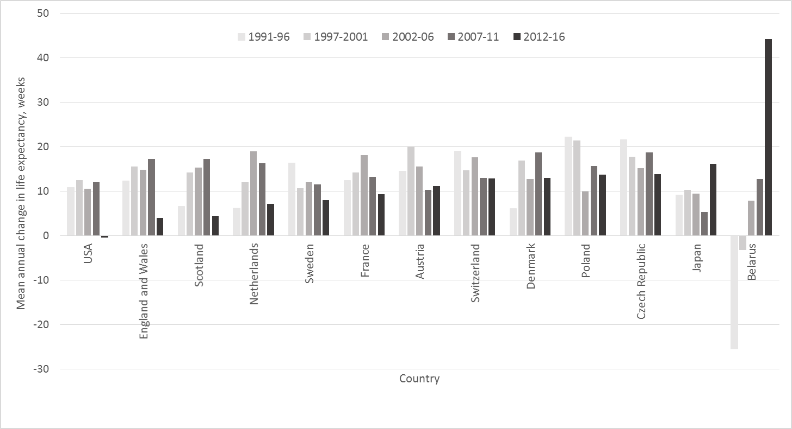

 | 1991-1996 | 1997-2001 | 2002-2006 | 2007-2011 | 2012-2016
Belarus | -25.584 | -3.224 | 7.8 | 12.792 | 44.2
Poland | 22.152 | 21.424 | 9.88 | 15.704 | 13.728
Czech Republic | 21.632 | 17.784 | 15.184 | 18.72 | 13.832
USA | 10.816 | 12.48 | 10.504 | 11.96 | -0.416
Scotland | 6.552 | 14.144 | 15.288 | 17.264 | 4.472
Denmark | 6.032 | 16.848 | 12.792 | 18.72 | 13
Austria | 14.56 | 20.072 | 15.496 | 10.296 | 11.128
France | 12.376 | 14.144 | 18.096 | 13.208 | 9.36
England and Wales | 12.272 | 15.496 | 14.872 | 17.264 | 3.952
Netherlands | 6.24 | 12.064 | 18.928 | 16.328 | 7.072
Sweden | 16.328 | 10.608 | 11.96 | 11.544 | 8.008
Japan | 9.152 | 10.296 | 9.464 | 5.304 | 16.12
Switzerland | 19.032 | 14.664 | 17.576 | 13 | 12.896

 | -22.672 | -25.584 | -3.224 | 7.8 | 12.792 | 44.2
 | -6.344 | 22.152 | 21.424 | 9.88 | 15.704 | 13.728
 | 7.8 | 21.632 | 17.784 | 15.184 | 18.72 | 13.832
 | 9.256 | 10.816 | 12.48 | 10.504 | 11.96 | -0.416
 | 13.416 | 6.552 | 14.144 | 15.288 | 17.264 | 4.472
 | 7.28 | 6.032 | 16.848 | 12.792 | 18.72 | 13
 | 14.248 | 14.56 | 20.072 | 15.496 | 10.296 | 11.128
 | 14.352 | 12.376 | 14.144 | 18.096 | 13.208 | 9.36
 | 13 | 12.272 | 15.496 | 14.872 | 17.264 | 3.952
 | 10.192 | 6.24 | 12.064 | 18.928 | 16.328 | 7.072
 | 10.088 | 16.328 | 10.608 | 11.96 | 11.544 | 8.008
 | 9.152 | 9.152 | 10.296 | 9.464 | 5.304 | 16.12
 | 4.68 | 19.032 | 14.664 | 17.576 | 13 | 12.896

